Bug Report
BUG REPORTS
ID | Title | Environment | Precondition | Steps to reproduce | Expected result | Actual result | Priority | Severity | Attachments | Reference
1 | The system sends the message form with empty fields. | Windows 10 Pro Browser Chrome Версія 107.0.5304.88 | The user is on the homepage of the site https://www.demoblaze.com | 1. Click the button "Contact", 2. Click the button "Send message" | The massage is not sent. The notification "Please fill out the message form" is highlighted. | The system sends the empty massage form and highlights the notification "Thanks for the message!". | High | Minor | https://www.demoblaze.com/index.html | TC-7.1
2 | The system contains no links to the company's information in the footer | Windows 10 Pro Browser Chrome Версія 107.0.5304.88 | The Internet must be available. Chrome is opened | 1. Enter the site https://www.demoblaze.com/index.html 2. Scroll to the bottom of the page. | The text information about the company is highlighted on the left at the bottom of the homepage | There are no links containing information about the company | High | Minor | https://www.demoblaze.com/index.html | TC-8
3 | There is no information about the country and the city of the company in the footer | Windows 10 Pro Browser Chrome Версія 107.0.5304.88 | The Internet must be available. Chrome is opened | 1. Enter the site https://www.demoblaze.com/index.html, 2. Scroll to the bottom of the page. | The phone number, address, and email of the company are highlighted in the center at the bottom of the homepage. | The name of the country and the city is not specified. | High | Minor | https://www.demoblaze.com/index.html | TC-6
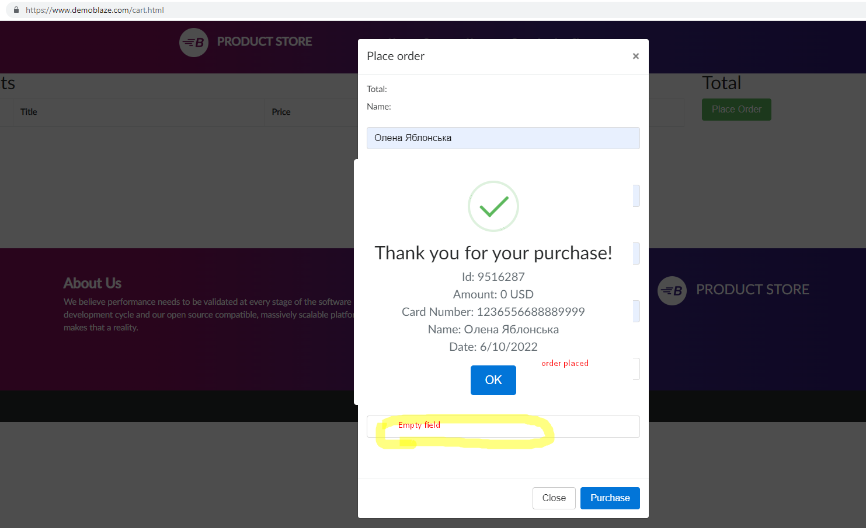
4 | Order can be placed without fill all required fields on Place order form. | Windows 10, Browser Chrome Версія 107.0.5304.95 | the user is on the cart page. At least one product is added to the cart | 1.Click the "Place Order" button. 2. Leave empty Country or City or Month or Year field 3. Click the "Purchase" button. | 1. Form for the personal data in displayed. 2. Needed data is filled out. 3. Error message appears. | The error message does not appear. Order is placed. | High | Major |  | TC-22
5 | Order can be placed without product in the cart. | Windows 10, Browser Chrome Версія 107.0.5304.95 | User is on the cart page.There is no one product added to the cart. | 1. Observe Cart page | 1. Place Order button should be disabled. | Place order button is clickable and user can place an order . | High | Major |  | TC-28
6 | The error message "Error "Username" form filling" does not appeared in "Sign Up" module after feeling "Username" form by invalid input with non-Latin letter | O.S.Windows 10 Pro Version 22H2 OS build 19045.2251 Browser Mozilla Firefox 106.0.5 | 1. Open the site https://www.demoblaze.com as an unregistered user. 2. Clear site cache. 3. Open the "Sign Up" module. 4. All module forms are empty by default. | 1. In the "Username" form, enter “Дm7$” 2. Make click, out of "Username" form | The form frame changes color to red. Below the form appears the error message "Error "Username" form filling" | The form frame do not changed the color to red. The error message "Error "Username" form filling" do not appeared | Medium | Minor | https://www.screencast.com/t/gXNTtIU3d | TC-39
7 | The error message "Error "Username" form filling" does not appeared in "Sign Up" module after feeling "Username" form by invalid input with the number of characters less than the allowed values | O.S.Windows 10 Pro Version 22H2 OS build 19045.2251 Browser Mozilla Firefox 106.0.5 | 1. Open the site https://www.demoblaze.com as an unregistered user. 2. Clear site cache. 3. Open the "Sign Up" module. 4. All module forms are empty by default. | 1. In the "Username" form, enter “m7$” 2. Make click, out of "Username" form | The form frame changes color to red. Below the form appears the error message "Error "Username" form filling" | The form frame do not changed the color to red. The error message "Error "Username" form filling" do not appeared | Medium | Minor | https://www.screencast.com/t/pzrTz7Xh | TC-40
8 | The error message "Error "Username" form filling" does not appeared in "Sign Up" module after feeling "Username" form by invalid input with the number of characters over than the allowed values | O.S.Windows 10 Pro Version 22H2 OS build 19045.2251 Browser Mozilla Firefox 106.0.5 | 1. Open the site https://www.demoblaze.com as an unregistered user. 2. Clear site cache. 3. Open the "Sign Up" module. 4. All module forms are empty by default. | 1. In the "Username" form, enter invalid input with over 50 characters (see Test data) 2. Make click, out of "Username" form | The form frame changes color to red. Below the form appears the error message "Error "Username" form filling" | The form frame do not changed the color to red. The error message "Error "Username" form filling" do not appeared | Medium | Minor | https://www.screencast.com/t/QoeoboBf6xF | TC-41
9 | The error message "Error "Username" form filling" does not appeared in "Sign Up" module after feeling "Password" form by invalid input with non-Latin letter | O.S.Windows 10 Pro Version 22H2 OS build 19045.2251 Browser Mozilla Firefox 106.0.5 | 1. Open the site https://www.demoblaze.com as an unregistered user. 2. Clear site cache. 3. Open the "Sign Up" module. 4. All module forms are empty by default. | 1. In the "Password" form, enter “ДDFmn76$%” 2. Make click, out of "Password" form | The form frame changes color to red. Below the form appears the error message "Error "Username" form filling" | The form frame do not changed the color to red. The error message "Error "Username" form filling" do not appeared | Medium | Minor | https://www.screencast.com/t/7Hbasg1t | TC-45
10 | The error message "Error "Username" form filling" does not appeared in "Sign Up" module after feeling "Password" form by invalid input with the number of characters less than the allowed values | O.S.Windows 10 Pro Version 22H2 OS build 19045.2251 Browser Mozilla Firefox 106.0.5 | 1. Open the site https://www.demoblaze.com as an unregistered user. 2. Clear site cache. 3. Open the "Sign Up" module. 4. All module forms are empty by default. | 1. In the "Password" form, enter “Fmn76$%” 2. Make click, out of "Password" form | The form frame changes color to red. Below the form appears the error message "Error "Username" form filling" | The form frame do not changed the color to red. The error message "Error "Username" form filling" do not appeared | Medium | Minor | https://www.screencast.com/t/N4OKz3MMvH | TC-46
11 | The error message "Error "Username" form filling" does not appeared in "Sign Up" module after feeling "Password" form by invalid input with the number of characters over than the allowed values | O.S.Windows 10 Pro Version 22H2 OS build 19045.2251 Browser Mozilla Firefox 106.0.5 | 1. Open the site https://www.demoblaze.com as an unregistered user. 2. Clear site cache. 3. Open the "Sign Up" module. 4. All module forms are empty by default. | 1. In the "Password" form, enter enter valid input with over 256 characters (see Test data) 2. Make click, out of "Password" form | The form frame changes color to red. Below the form appears the error message "Error "Username" form filling" | The form frame do not changed the color to red. The error message "Error "Username" form filling" do not appeared | Medium | Minor | https://www.screencast.com/t/8wpOUujD | TC-47
12
13
14
15

